growth
reinvestment rate | 29% | reminder | ----> | Reinvestment Rate = (Net Capital Expenditures + Change in WC)/EBIT(1-t)
net capex | 2,118,000 € |  |  | Return on Investment = ROC = EBIT(1-t)/(BV of Debt + BV of Equity)
change in wc account | 1,923,000 € |  |  | gEBIT = (Net Capital Expenditures + Change in WC)/EBIT(1-t) * ROC = Reinvestment Rate * ROC
ebit | 11,260,030 € |  |  | Expected Growth Rate = ROCt+1 * Reinvestment rate +(ROCt+1 – ROCt) / ROCt
1-tax rate | 0.797 |  |  | ROE = ROC + D/E (ROC - i (1-t))
 |  |  |  | Equity Reinvestment Rate = (Net Capital Expenditures + Change in Working Capital) (1 - Debt Ratio)/ Net Income
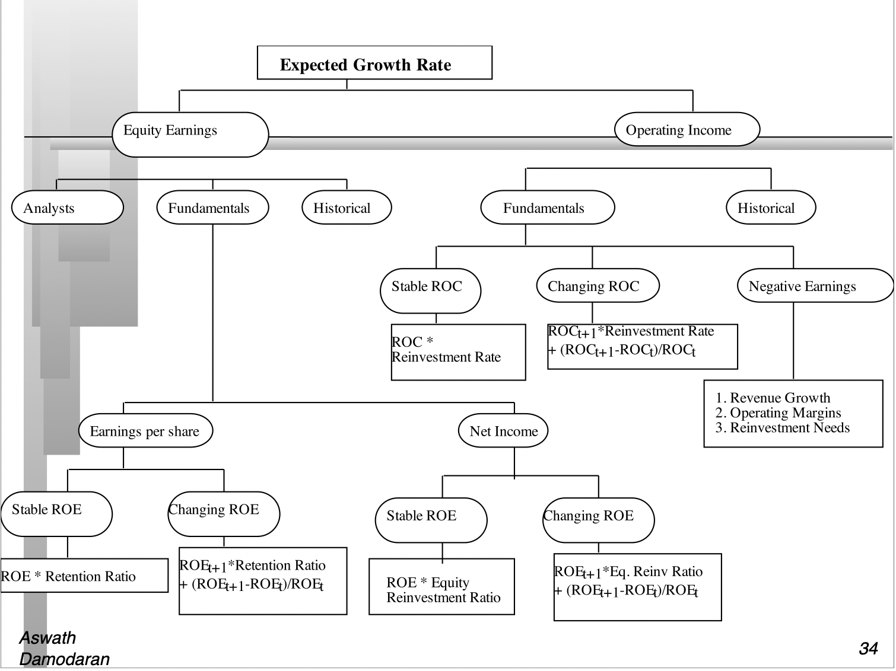
ROC | 14% |  |  |  | source damodaran
ebit | 11,260,030 €
1-tax rate | 0.797
bv debt | 44,369,960 €
bv equity | 21,284,000 €
tax rate | 20.33%
expected growth op income | 3.91%

equity reinvestment rate | 18.15%
Debt ratio | 0.68
ROE | 36%
i | 0.037998681976
interest expense | 1,686,000 €
growth in net income | 6.51%

retention ratio | 1.64%
payout ratio | 98.36%
growth in eps | 0.59%
dividends paid | 7,098,513 €

